Cover Page
RHI Magnesita Sustainability Data Pack 2025

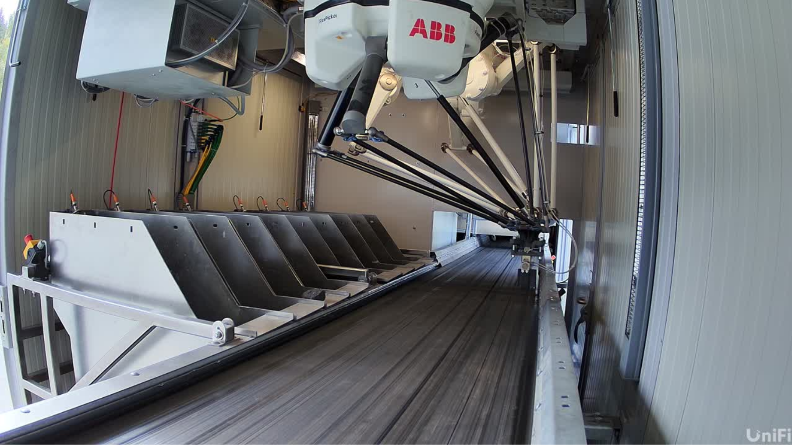

RAPTOR emerges from ReSoURCE, a Horizon Europe technology consortium led by RHI Magnesita, that ran from 1 June 2022 to 30 November 2025, with an EU contribution of €6.09 million, €1 million from UK government and a total cost of €8.51 million, created to fully modernise the refractory recycling value chain through digitalisation, automation and high precision sorting.

Air emissions
X14A0T
Back to Table of Contents

 | AIR EMISSIONS

 | t NOx | 2025 | 2024 | %N/N-1)
 | India | 147 | 147 | 0.0%
 | China & East Asia | - | - | 0.0%
 | North America | 1,706 | 1,615 | 5.6%
 | Latin America | 3,751 | 5,855 | -35.9%
 | Europe & CIS | 1,527 | 1,668 | -8.5%
 | Middle East, Türkiye & Africa | 121 | 128 | -5.5%
 | Total | 7,252 | 9,413 | -23.0%

 | t SOx | 2025 | 2024 | %N/N-1)
 | India | - | - | 0.0%
 | China & East Asia | - | - | 0.0%
 | North America | 688 | 641 | 7.3%
 | Latin America | - | 283 | -100.0%
 | Europe & CIS | - | - | 0.0%
 | Middle East, Türkiye & Africa | - | - | 0.0%
 | Total | 688 | 924 | -25.6%

 | t Other air emissions | 2025 | 2024 | %N/N-1)
 | CO | 3,627 | 4,098 | -11.5%
 | HFC | 1 | 2 | -50.0%
 | Hg | - | 0.01 | -100.0%
 | HCl | 33 | 31 | 6.5%
 | Particulate Matter (PM10) | 61 | 122 | -50.0%

 | Air emissions reporting methodology at RHI Magnesita

 | Given its global operations, RHI Magnesita adheres to local regulatory standards for air pollutant monitoring. Monitoring is carried out in alignment with the applicable EU BREF standards for ceramics and magnesium oxide. Where BREF guidance is not applicable, equivalent internationally recognised benchmarks are applied. Sites in Europe comply with EN standards, while the U.S. facility follows EPA reference methods, integrating both continuous and periodic stack testing. In China and India, sites align with national air quality regulations, while Brazilian operations adhere to CONAMA standards, utilizing monitoring instruments and methodologies comparable to those in Europe and the U.S. Emissions are measured from off-gases of relevant production units, either continuously or on a spot basis, as specified by environmental permits that define monitoring locations, frequency, and methodologies. Total emissions are calculated based on pollutant concentration per cubic meter of off-gas and total annual off-gas volumes. Where automated measurement systems (AMS) are used, calibration tests are performed in accordance with applicable regulatory, technical, and permit-based requirements to ensure the accuracy and reliability of measured data.For compliance reporting purposes, all sites are recommended to report the results from spot measurement campaigns with exception from China facilities that emission monitoring is direct connected with authorities. Periodic and spot measurements are conducted and/or verified by independent accredited laboratories where required by regulation or permit conditions. In jurisdictions with direct regulatory oversight of emissions data, such oversight is considered to provide equivalent assurance. Dust emissions occur both as piped emissions (e.g. from chimney as part of the offgas) from the firing process, but also during the storage and handling of raw materials and fuels (e.g. conveyors or elevators), and from grinding and milling process

Water
X8A0T
Back to Table of Contents
 | WATER USE

 | Water Consumption (%) | 2019 | 2020 | 2021 | 2022 | 2023 | 2024 | 2025
 | Water consumption in non-scarce areas (%) | 90 | 91 | 91 | 81 | 80 | 77 | 90
 | Water consumption in water scarce areas (%) | 10 | 9 | 9 | 19 | 20 | 23 | 10

 | Water Consumption (million m3) | 2019 | 2020 | 2021 | 2022 | 2023 | 2024 | 2025
 | Total Water Consumption (million m3) | 14.8 | 12.5 | 12.5 | 9.2 | 9.4 | 10.1 | 8.5
 | of which water consumption in scarce areas (million m3)* | 1.5 | 1.1 | 1.1 | 1.7 | 1.8 | 2.4 | 0.9

 | * - RHI Magnesita sites in regions at risk of water scarcity follow all applicable regulations including obligations to monitor water withdrawal and capacity limitations.

 | Water Withdrawl per source | 2019 | 2020 | 2021 | 2022 | 2023 | 2024 | 2025
 | Groundwater (m3) | 12,506,040 | 10,377,684 | 10,118,341 | 7,393,478 | 7,378,258 | 8,087,384 | 7,767,000
 | Drinking water (m3) | 2,298,164 | 2,079,466 | 562,766 | 472,082 | 608,212 | 579,551 | 676,000
 | Other sources (m3) | - | - | 1,836,340 | 1,314,006 | 1,411,256 | 1,402,614 | 17,857
 | TOTAL | 14,804,204 | 12,457,150 | 12,517,447 | 9,179,566 | 9,397,726 | 10,069,549 | 8,461,000

 | Note:
 | Indicators are collected on a yearly basis

Resources Use and Waste
X8A0T
X14A0T
Back to Table of Contents

 | RESOURCE USE AND WASTE

 | Recycling rate | 2025 | 2024 | 2023 | 2022 | 2021 | 2020 | 2019 | 2018 | %N/(N-1)
 | Use of Secondary raw materials (%) | 15.9% | 14.2% | 12.6% | 10.5% | 6.8% | 5.0% | 4.6% | 3.8% | 12.0%

 | Other Recycling KPIs | 2025 | 2024 | 2023 | 2022 | 2021 | 2020 | 2019 | 2018 | %N/(N-1)
 | Recycling quantity (tonnes) | 416,000 | 364,000 | 271,000 | 226.000 | 166.000 | 91.000 | 42.000 | 36.000 | 14.3%
 | CO2 savings due to recycling (tonnes) | 551,000 | 476,000 | 393,000 | 337,000 | 268,000 | 142,000 | 74,000 | 63,000 | 15.8%

 | Waste generation | 2025 | 2024 | 2023 | 2022 | 2021 | 2020 | 2019 | 2018 | %N/(N-1)
 | Hazardous (tonnes) | 4,000 | 6,924 | 7,000 | 9,800 | 5,163 | 8,269 | 17,710 | 10,323 | -42.2%
 | Non-hazardous (tonnes) | 72,000 | 103,914 | 84,000 | 82,600 | 103,297 | 98,304 | 89,114 | 108,954 | -30.7%
 | Total (tonnes) | 76,000 | 110,837 | 91,000 | 92,400 | 108,460 | 106,573 | 106,823 | 119,277 | -31.4%
 | 1. Hazardous (Waste generation) - All hazardous waste is handled and disposed of according to relevant environmental regulations in the jurisdiction in which the waste occurs.
 | Baseline year: 2018
 | Target 2025: Increase use of secondary raw materials (SRM) to 15%
 | Figures of CO2 savings revised considering the External Recycling (class 30) emissions factor revision, based on Mireco’s materials data. Then, recently the CO2 emission factor for the external recycling was updated from 0,00 to 0,05 tons of CO2 emission.

 | Resource inflow
 | E5-4 28/30/31/32

 | Assumptions and methodologies:
 | The company captures in its enterprise resource planning tool the material inflows. Water inflow is measured on plant level and reported via environmental IT system. For plants not considered in the central enterprise resource planning tool, volumes are estimated based on finished goods production volumes. Including resale, excluding own mined raw materials and material inflow for capex projects. Around 80% of the resource inflow is water mainly from mine operations.

 | Resource inflow (E5-4 28/30/31/32) | 2025 | 2024 | %N/N-1)
 | t materials | 11.0 | 12.3 | -10.6%
 | Percentage biological materials | 0.6% | 0.5% | 20.0%
 | Percentage secondary raw materials | 2.2% | 1.6% | 37.5%

 | Financial resources for Resource Use
 | MDR-A 69

 | Assumptions and methodologies:
 | The capex reported considers investments into increasing the company's recycling rate excluding maintenance capex of recycling operations.
 | The Opex reported considers R&D Opex aimted at increasing the company's recycling.
 | Financial resources | 2025 | 2024 | %N/N-1)
 | Recycling Capex in EUR | 1,900,000 | 3,900,000 | -51.3%
 | Recycling Opex in EUR | 2,800,000 | 2,300,000 | 21.7%

Biodiversity
X8A0T
X14A0T
Back to Table of Contents

 | BIODIVERSITY

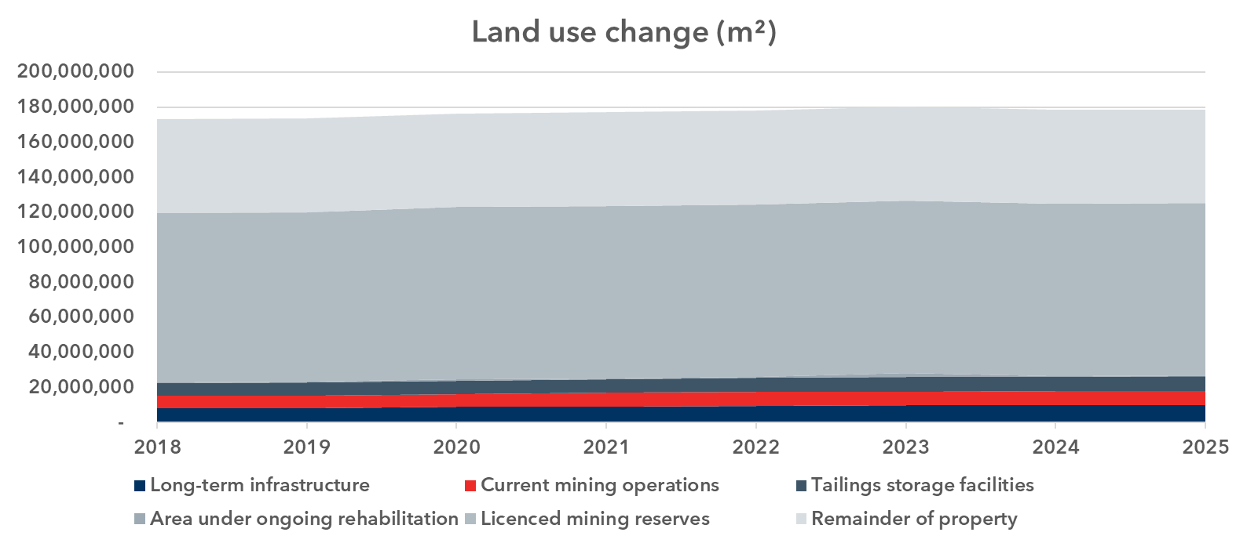
 | Land-use

 | Mining can have significant impact on biodiversity. Potential impacts are habitat loss and degradation, pollution and disruption of ecological processes and others. A biodiversity risk screening suggested that land-use change might be a significant impact driver for biodiversity loss. The metric land-use change aims to track the use of land for mining over time. The KPI splits the land affected by mining into six categories. Long-term infrastructure covers roads used exclusively for mining activities and other permanent infrastructure (e.g. crusher in the mine). Current mining operations covers currently exploited land. Tailings and storage facilities includes areas used for storing overburden or process residuals. Area undergoing rehabilitation includes both active rehabilitation as well as passive natural rehabilitation. Licenced mining reserves referes to land where currently no mining operations are on-going but for which the company does have a licence for mining. Remainder of property is other area under operational control of the company directly connected to the mining operations. The scope of the metric is all land under operational control of the company for the purpose of mining. The metric sums up the landuse of RHI Magnesita's main mining operations in Brumado (BR), York (US), Breitenau (AT), Hochfilzen (AT), Radenthein (AT), Chizhou (CN). The metric is voluntary and not connected to a target. To gain data the metric relies on airial pictures and mining plans and is upadted once per year.

 | Current and future financial resources allocated to action plan (Opex)

 |  | 2023 | 2024 | 2025
 | Recultivation Opex (EUR) | 498,138 | 415,400 | 758,100

 | Recultivation in mining refers to the process of restoring the land that has been disturbed by mining activities to its original state or to a state that is suitable for other uses without causing any environmental hazards. Almost always activities as such are obligate by law and must be performed during or after mining. They include conservation and restoration activities with focus on maintaining or improving the status quo of terrestrial, freshwater and marine habitats, as well as ecosystems and populations related to flora and fauna.

 | BIODIVERSITY HISTORICAL DATA

 | Biodiversity |  | 2019 | 2020 | 2021 | 2022 | 2023 | 2024 | 2025
 | Forest area | ha | 18,569 | 18,552 | 18,776 | 19,165 | 17,091 | 17,083 | 17,795
 | Number of trees planted | unit | 15,486 | 15,253 | 13,224 | 23,747 | 7,647 | 8,334 | 12,075
 | Forestation and reforestation area | ha | 317 | 270 | 204 | 538 | 597 | 597 | 598

 | Current and future financial resources allocated to action plan (Opex)

 |  | 2023 | 2024 | 2025
 | Recultivation Opex (EUR) | 498,138 | 415,405 | 758,086

 | Recultivation in mining refers to the process of restoring the land that has been disturbed by mining activities to its original state or to a state that is suitable for other uses without causing any environmental hazards. Almost always activities as such are obligate by law and must be performed during or after mining. They include conservation and restoration activities with focus on maintaining or improving the status quo of terrestrial, freshwater and marine habitats, as well as ecosystems and populations related to flora and fauna.

Own Workforce
X12A0T
X8A0T
X14A0T
Back to Table of Contents
 | OWN WORKFORCE

 | Characteristics of RHIM's employees

 | Employees by gender | 2025 | 2024 | 2023 | %N/(N-1)
 | Male | 13,575 | 13,601 | 13,634 | -0.2%
 | Female | 1,973 | 2,044 | 2,252 | -3.5%
 | Total Employees | 15548 | 15645 | 15886 | -0.6%

 | Headcount broken down per gender and type of employment* | 2023 |  |  | 2024
...

Own Workforce by country
X12A0T
X8A0T
X14A0T
Back to Table of Contents

 | OWN WORKFORCE BY COUNTRY

 | Employee per country | 2025 | 2024 | 2023 | %N/(N-1)
 | Argentina | 152 | 166 | 166 | -8.4%
 | Austria | 1,638 | 1,691 | 1,654 | -3.1%
 | Belgium | 0 | 4 | 4 | -100.0%
 | Brazil | 4,086 | 4,098 | 4,190 | -0.3%
 | Canada | 105 | 89 | 86 | 18.0%
 | Chile | 23 | 29 | 126 | -20.7%
...

Own Workforce by region
X12A0T
X12A0T
X12A0T
X8A0T
X14A0T
Back to Table of Contents
 | OWN WORKFORCE BY REGION

 | Employees by region | 2024 | 2023
 | China and East Asia | 2,191 | 1,783
 | Europe, CIS, Turkey | 5,132 | 5,455
 | India, West Asia and Africa | 2,555 | 2,640
 | NAM | 1,348 | 1,408
 | SAM | 4,419 | 4,600
 | Total Employees | 15,645 | 15,886
...

Health and Safety
X8A0T
X14A0T
Back to Table of Contents

 | HEALTH AND SAFETY

 | Health and safety metrics | 2025 | 2024 | %N/(N-1)
 | Percentage of people in its own workforce who are covered by health and safety management system based on legal requirements and (or) recognised standards or guidelines | 100% | 100% | 0.0%
 | Number of fatalities in own workforce as result of work-related injuries and work-related ill health | 1 | 1 | 0.0%
 | Number of fatalities as result of work-related injuries and work-related ill health of other workers working on undertaking's sites | 0 | 1 | -100.0%
 | Number of recordable work-related accidents for own workforce | 204 | 98 | 108.2%
 | Rate of recordable work-related accidents for own workforce | 4.09 | 1.90 | 115.3%
 | Total hours worked | 49,938,226 | 51,611,558 | -3.2%
...

Diversity
X8A0T
X14A0T
Back to Table of Contents
X12A0T
X12A0T
 | OWN WORKFORCE - DIVERSITY

 | Gender Distribution of Employees (Head Count) at Top Management Level

 | Gender | 2023 | 2024 | 2025 | Share of employees by Gender against headcount
 | Male | 38 | 42 | 34 | Male
 | Female | 14 | 17 | 18 | Female
 | TOTAL | 52 | 59 | 52
...

Human Rights
X8A0T
X14A0T
Back to Table of Contents

 | HUMAN RIGHTS

 | Incidents, complaints and severe human rights impacts | 2025 | 2024 | %N/(N-1)
 | Number of incidents of discrimination including harassment | 9 | 25 | -64.0%
 | Number of complaints filed through channels for people in own workforce to raise concerns | 0 | 0 | 0.0%
 | Number of complaints filed to National Contact Points for OECD Multinational Enterprises | 0 | 0 | 0.0%
 | Number of severe human rights issues and incidents connected to own workforce | 0 | 0 | 0.0%
 | Number of severe human rights issues and incidents connected to own workforce that are cases of non-respect of UN Guiding Principles and OECD Guidelines for Multinational Enterprises | 0 | 0 | 0.0%

Social Dialogue
X16A0T
X12A0T
X12A0T
X12A0T
X8A0T
X14A0T
Back to Table of Contents

 | COLLECTIVE BARGAINING AND SOCIAL DIALOGUE

 |  | 2018 | 2019 | 2020 | 2021 | 2022

 | Number of board members who are employee representatives | 2 | 2 | 2 | 3 | 3
 | Share of employees belonging to unions or covered by works councils or collective bargaining 1 | 72% | 71% | 66% | 82% | 82%
 | Percentage of own employees covered by collective bargaining agreements are within coverage rate by country with significant employment (in the EEA)
 | Percentage of own employees covered by collective bargaining agreements (outside EEA) by region

Communities
X13A0T
X12A0T
X12A0T
X12A0T
X8A0T
X14A0T
Back to Table of Contents

 | COMMUNITY INVESTMENT

 | Community Investment Approvals by Focus area, % | 2020 | 2021 | 2022 | 2023 | 2024
 | Emergency Relief | 17% | 8% | 11% | 0% | 1%
 | COVID Relief | 23% | 32% | 0% | 0% | 0%
 | Education and Youth Development | 14% | 31% | 42% | 50% | 69%
 | Environment | 13% | 8% | 3% | 4% | 4%
...

Supply Chain DD
X13A0T
X12A0T
X12A0T
X12A0T
X8A0T
X14A0T
Back to Table of Contents

 | SUSTAINABLE PROCUREMENT
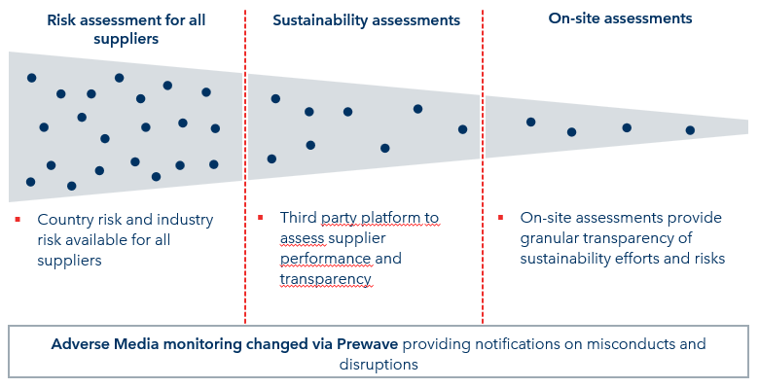

 | EcoVadis Supplier Assessment | 2023 | 2024 | 2025T | 2030T *
 | % Spend coverage | 41% | 55% | 66% | 80%
 | * - 2030 target includes on-site assessments and also other providers next to EcoVadis

 | EcoVadis Supplier Assessment coverage per region (by spend) | 2023 | 2024 | 2025
 | Europe | 47% | 59% | 67%
...

Corruption&Bribery
X13A0T
X12A0T
X12A0T
X12A0T
X8A0T
Back to Table of Contents

 | CORRUPTION AND BRIBERY

 | Compliance Indicators | 2024 | 2025 (1)
 | Number of governance body members and employees informed of Group Anti-corruption policies and procedures | 109 | 107
 | Number of risk assessments - including plants and mines (100% coverage) | 54 | 67
 | Number of confirmed incidents of corruption or bribery during the reporting period | - | -
 | Whistlelower reports as of 31 Dec | 211 | 146
...

SDGs
X15A0T
X12A0T
X12A0T
X12A0T
X8A0T
X14A0T
Back to Table of Contents
RHI MAGNESITA CONTRIBUTIONS TO THE UN SUSTAINABLE DEVELOPMENT GOALS (SDGs)

 | SDGs relevant to the business | Indicators to measure SDG performance | Target | Potential Impact | Our Performance
 | SDG 3 – Good health and wellbeing | Lost Time Injury Frequency Rate (LTIFR) Total recordable injury frequency rate (TRIFR) | Maintain lost time injury frequency (LTIF) below 0.3 per 200,000 hours worked by 2025 and have total recordable injury frequency rate below 2 per 1,000,000 hours worked by 2030; The ulitmate goal is Zero Harm - No Injuries | Negative: Operations potentially expose employees and contractors to health and safety risk. | Health and safety remains RHI Magnesita’s highest social priority due to the high-risk nature of its operations. In 2025, the Group progressed its Safety Culture Transformation programme, invested €10 million in health and safety, strengthening leadership accountability, frontline engagement and the consistent application of life-saving rules and critical controls.The Safety Culture transformation added c.200 customer sites and production sites from acquisitions. It even led to an increase in reports from existing sites. LTIFR closed at 0.37 in 2025 above the target set as of <0.3 and TRIFR closed the year at 4.09; and one fatality was recorded as a result of work related injury.Key initiatives focused on Visible Felt Leadership, behaviour-related Life-Saving Rules, and Standard Operating Procedures to manage the Company’s top risks and prevent Serious Injuries and Fatalities.
 | SDG 4 – Quality Education | Sponsoring Education and Youth Development in the communities where we operate Offering apprenticeship opportunities, investment on skill development program Offering supplier training on website | Sponsoring Education and Youth Development Trainee program Supplier training program | Positive: Supporting education in our communities helps to improve children’s quality of life and future prospects. Positive: Supporting capacitation and skill development among employees Positive: Enhancing awareness of suppliers regardings ESG topics and RHIM policies and standards | RHI Magnesita supports Sustainable Development Goal 4 – Quality Education – by promoting inclusive, equitable, and life-long learning. We enable all employees, regardless of role or location, to develop current skills and build capabilities for the future. In 2025, our contributions included providing broad access to the RHIM Learning Academy, LinkedIn Learning, and the UN Learning Academy, expanding access to qualified teachers for disadvantaged students, and training suppliers through dedicated learning content available on our website. 80% of community investment focused on education and youth development; More than 700 downloads of supplier training documents were recorded since its launch in the begginning of 2025.
 | SDG 5 – Gender Equality | Board gender diversity equal or above 33% Women in senior leadership roles equal or above 33% by 2025 | Committed to supporting gender equity in our workplace on all levels | Positive: More women in our leadership and a pipeline of future female leaders will contribute to greater gender equality in our business and beyond. | Diversity, Equity & Inclusion are embedded in our culture. By promoting gender equity and equal opportunities at all levels, we strengthen decision-making and support sustainable business performances. Gender balance enables diverse perspectives, strengthens decision-making, and supports an inclusive, high-performing workplace. We are committed to pay equity, ensuring no gender based wage disparities for employees in comparable roles and responsibilities.
 | SDG 7 –Affordable and Clean Energy | 5% energy consumption reduction per tonne of product (MWh/t) by 2025 1% energy consumption reduction in MWh per year until 2030 | 5% energy consumption reduction per tonne of product (MWh/t) by 2025 over 2018 baseline 1% energy consumption reduction in MWh per year until 2030 over 2024 baseline | Reducing energy consumption per tonne of product improves operational energy efficiency and lowers the overall energy intensity of production. This contributes to reduced greenhouse gas emissions, supports cost efficiency and strengthens resilience to energy price volatility. At the same time, achieving these improvements may require investments in process optimisation and technology upgrades, particularly in energy-intensive industrial operations where efficiency gains can be technically challenging. A continuous annual reduction in total energy consumption supports long-term improvements in energy efficiency and contributes to lowering the company’s overall energy demand. This helps reduce emissions and strengthens alignment with SDG 7 by promoting more efficient energy use across operations. However, maintaining consistent yearly reductions requires strong operational management, monitoring systems and sustained efficiency initiatives, particularly as production levels or operational complexity evolve. | RHI Magnesita operates exclusively in high climate-impact sectors, with all revenue classified accordingly. Energy production comprises 1,000 MWh from non-renewable and 3,600 MWh from renewable sources. A 9%reduction in energy consumption per ton achieved against the 2018 baseline year and 0.84% achieved against baseline 2024.
 | SDG 8 – Decent work and economic growth | Youth development through community relations strategy (see SDG 11) Health & Safety KPI (see SDG 3) Quality Education (see SDG 4) | - | RHI Magnesitas fosters sustainable economic growth in the communities where it operates by implementing various initiatives centered around three core pillars: Education & Youth Development, Health & Medical care and Environment | See our modern slavery statement 2025 on the website. See our community initiatives on the website See our supplier training program on the website
 | SDG 9 – Industry Innovation and Infrastructure | Share of annual sales invested in R&D and Technical Marketing Recycling rate (%) Carbon intensity for scope 1,2.3 (raw materials) per tonne of product | Invest 2% of annual sales in R&D and Technical Marketing Achieve 20% of recycling rate by 2030 versus 2024 levels Reduction of 10% of Scope 1, 2, 3 emissions (raw materials) per ton by 2030 versus 2024 levels | Positive: New products and technologies help reduce our CO2 emissions, those of our customers and lead our industry. | 83m Euros for R&D and Technical Marketing RHI Magnesita’s climate strategy balances decarbonisation ambition with the technical constraints of long-lived, energy-intensive refractory production. Increasing the use of recycled and secondary raw materials is the Group’s key near-term decarbonisation lever, reducing emissions and strengthening supply security. In parallel, RHI Magnesita is preparing for future technologies, including alternative fuels, electrification, hydrogen-based firing and carbon capture and utilisation. To date, 10m€ invested in CCU technology.
 | SDG 11 - Sustainable cities and communities | Investing directly and indirectly to Education & Youth Development, Health & Medical care and Environment - Community Relations Pillars | 1% of Group annual net profit to support Community Investments | Positive: Several initiatives are in place in the areas of Youth Development, Education and Environment in the communities where the group operates | In 2025, RHI Magnesita spent over €1,5 million in community projects – Almost 80% of investments done in Education and Youth development.
...

Taxonomy_Summary
...
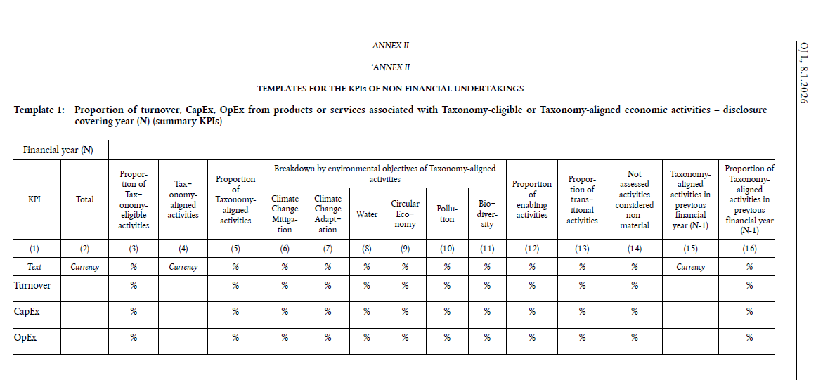

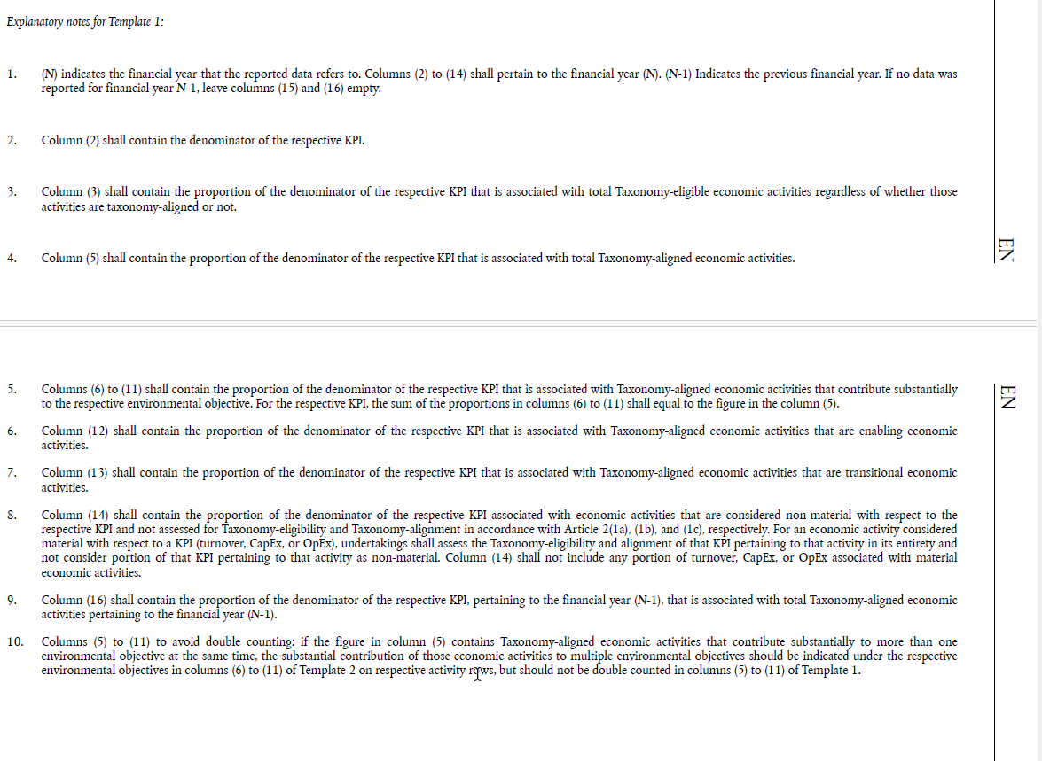

Taxonomy_Turnover
...
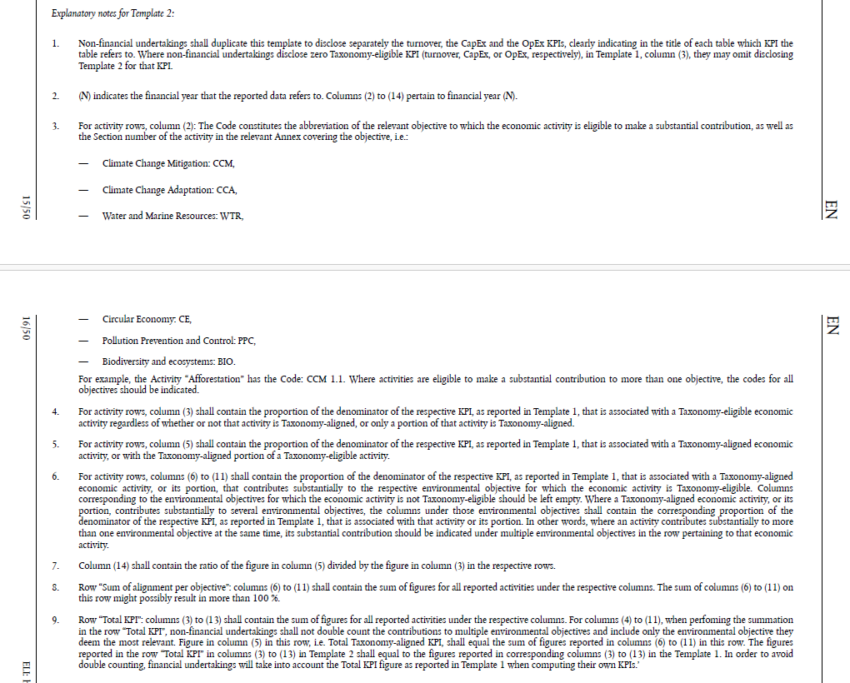

Taxonomy_CapEx
X8A0T
X14A0T
Back to Table of Contents

 | Proportion of CapEx from products or services associated with Taxonomy-eligible or Taxonomy-aligned economic activities – 2025 (activity breakdown)

 | Financial year 2025
 | Economic Activities | Code | Taxonomy eligible KPI (Proportion of Taxonomy eligible CapEx) | Taxonomy aligned KPI (monetary value of CapEx) | Taxonomy aligned KPI (Proportion of Taxonomy aligned CapEx) | Environmental objective of Taxonomy aligned activities
 |  |  |  |  |  | Climate Change Mitigation
 | (1) | (2) | (3) | (4) | (5) | (6)
 | Text |  | % | € million | % | %
 | Manufacture of other low carbon technologies | CCM/CCA 3.6 | 0.2% | 0 | 0.0% | 0.0%
...

Taxonomy_OpEx
X8A0T
Back to Table of Contents

 | Proportion of OpEx from products or services associated with Taxonomy-eligible or Taxonomy-aligned economic activities – 2025 (activity breakdown)

 | Financial year 2025
 | Economic Activities | Code | Taxonomy eligible KPI (Proportion of Taxonomy eligible OpEx) | Taxonomy aligned KPI (monetary value of OpEx) | Taxonomy aligned KPI (Proportion of Taxonomy aligned OpEx) | Environmental objective of Taxonomy aligned activities
 |  |  |  |  |  | Climate Change Mitigation
 | (1) | (2) | (3) | (4) | (5) | (6)
 | Text |  | % | € million | % | %
 | Manufacture of other low carbon technologies | CCM/CCA 3.6 | 12.6% | 0 | 0.0% | 0.0%
...

